1. Interactive Map
2014-2015
DRY MATERIALS: Salt applied (tons)
1. Select Winter
COSTS: Average salt price mid-winter (Jan. 1) ($/ton)

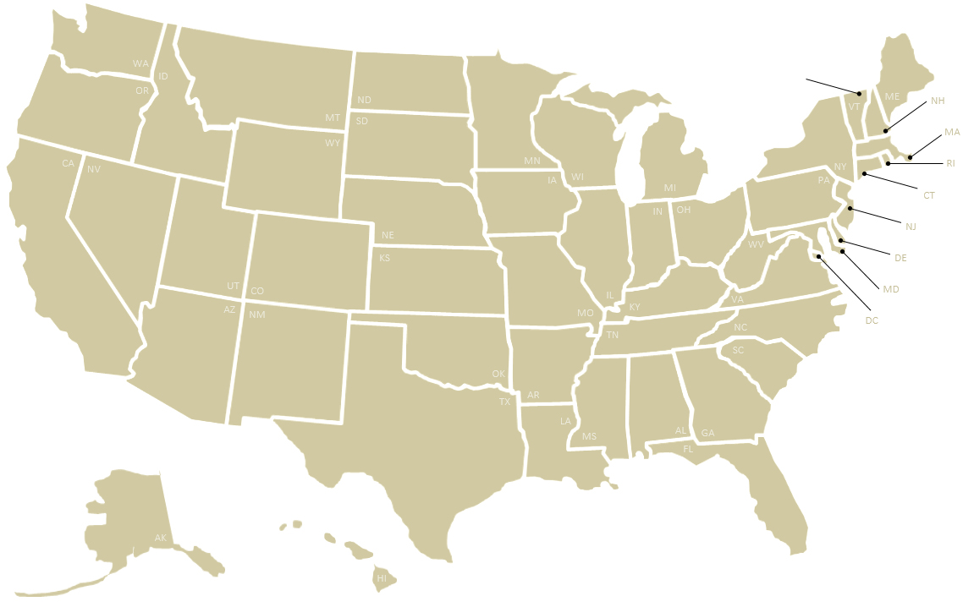
13,000
-
-
949,313 †
42,256 †
1,106,185 †
1,100,000
253,575
-
-
388,797
132,271 †
476,642 †
132,373
-
-
-
11,131
6,793 †
150
-
1,162
-
85,000 †
122,639
278,300 †
461,000
39,044 †
859 †
3,216 †
120,000
-
187 †
-
61,177 †
111,000 †
31,698 †
160,652
-
-
12,560
173,888
-
87,500
-
$ 125.00 ‡
-
-
-
$58.63
$72.00
$57.16
-
$ 76.28 ‡
$ 82.00 ‡
$ 57.87 ‡
$62.00
$64.04
$80.93
-
$ 62.00 ‡
-
$69.01
$77.00
$65.81
$64.78
$ 73.00 ‡
-
-
-
$ 89.80 ‡
$120.00
$130.00
-
$202.40
-
$49.93
$72.02
$85.00
$67.00
$60.00
$51.31
$ 83.00 ‡
$80.00
-
$105.00
-
$67.58
$52.00
$121.00
$75.00
-
-
$104.00
$74.36
-
2. Select First Metric to Map

-

613,747 †
82,500

233,300

470,973 †

-

3. Select Second Metric to Map

NOTE
See comments on Tab 2. All Survey Data for individual state clarifications:
* Resources - column AH
† Materials - columns AN, AV and BA
‡ Costs - column BI

OVERVIEW AND SUMMARY OF CONTENTS
This spreadsheet is a deliverable of a multiyear project conducted by the Clear Roads Winter Maintenance Pooled fund. The project aims to systematically gather, compile and analyze a range of data from state DOTs related to their winter operations. This spreadsheet represents the first year of state survey data, covering the winter season from July 1, 2014 to June 30, 2015.
This file may be found online, along with related information about this project, at clearroads.org/winter-maintenance-survey. Following is a summary of what can be found on each of the tabs of this spreadsheet. These tabs may be selected at the bottom of this window.
1. Interactive Map (this tab). On this tab you may graphically display one or two survey metrics on a map of the United States using the interactive boxes at right. This tab is set up to print the map on a single page.
2. All Survey Data. This tab compiles all data from this year's survey; it will compile all future-year surveys as well. 3. 2014-2015 Calculated Statistics. This tab includes additional derived statistics from this year's data set (such as the ratio of full-time workers to part-time workers or the total dry chemicals applied per lane mile). 4. User-Generated Map. This tab allows users to display custom data on a U.S. map by pasting it into a table of states. Data copied from Tabs 2 or 3 should be pasted as values into this table. This tab is set up to print the map on a single page.

(Do not display a second parameter)

4. User-Generated Map
Custom Map Title 1
(Title 2)
Enter state data in the right column of the table below to populate the map at left.
Note that data copied from Tabs 2 or 3 should be pasted as values into this table.

48.00
Map Title 1 | Custom Map Title 1
Map Title 2 | (Title 2)
Alabama | 1.00
Alaska | 2.00
27.00
35.00
46.00
20.00
Arizona | 3.00
38.00
24.00
30.00
Arkansas | 4.00
California | 5.00
13.00
50.00
22.00
Colorado | 6.00
42.00
33.00
Connecticut | 7.00
51.00
23.00
40.00
Delaware | 8.00
District of Columbia | 9.00
16.00
39.00
7.00
Florida | 10.00
29.00
28.00
Georgia | 11.00
45.00
14.00
36.00
31.00
Hawaii | 12.00
15.00
8.00
Idaho | 13.00
5.00
6.00
49.00
Illinois | 14.00
17.00
26.00
18.00
47.00
21.00
Indiana | 15.00
Iowa | 16.00
34.00
9.00
Kansas | 17.00
43.00
Kentucky | 18.00
3.00
37.00
Louisiana | 19.00
32.00
4.00
41.00
Maine | 20.00
11.00
Maryland | 21.00
25.00
1.00
Massachusetts | 22.00
Michigan | 23.00
44.00
Minnesota | 24.00
19.00
Mississippi | 25.00
Missouri | 26.00
10.00
Montana | 27.00
2.00
Nebraska | 28.00
Nevada | 29.00
New Hampshire | 30.00
New Jersey | 31.00
12.00
New Mexico | 32.00
New York | 33.00
North Carolina | 34.00
North Dakota | 35.00
Ohio | 36.00
Oklahoma | 37.00
Oregon | 38.00
Pennsylvania | 39.00
Rhode Island | 40.00
South Carolina | 41.00
South Dakota | 42.00
Tennessee | 43.00
Texas | 44.00
Utah | 45.00
Vermont | 46.00
Virginia | 47.00
Washington | 48.00
West Virginia | 49.00
Wisconsin | 50.00
Wyoming | 51.00

