1. Overview and Interactive Map
Winter 2015-2016
DRY MATERIALS: Salt applied (tons)
Timeframe for Blue Metric
Timeframe for Green Metric

COSTS: Average salt price mid-winter (Jan. 1) ($/ton)
Winter 2015-2016

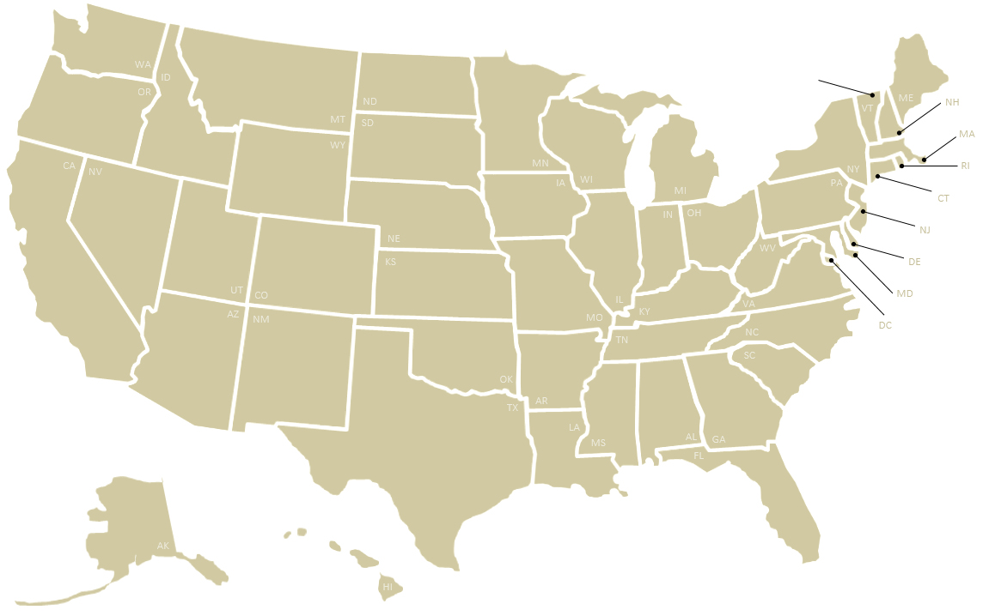
(Please select metrics at right to populate the graph below)
Blue Metric to Map
Green Metric to Map
22
-
-
577,960
32,054
566,412
545,000
199,642
9,450
1,127,113
399,046
66,821
457,695
95,740
-
-
0
219,760
19,650
-
-
-
252,750
79,000
147,981
-
317,000
-
-
3,824
69,900
-
785
-
45,742
-
63,505
903,486
-
87,241
15,680
157,812
-
31,112
-
$125
-
-
-
$63
$75
$60
-
$62
$79
$56
-
$72
$79
$93
-
$80
$71
$79
$61
$67
$70
-
$150
$207
$90
-
-
-
-
$85
$50
$75
-
$65
-
-
$81
$73
-
$80
-
$69
$61
$129
$76
-
$32
$108
$76
-

124,561

368,500
-

111,650

-

-

NOTE
See comments on Tab 2. All Survey Data for individual state clarifications:
Resources - column AH
Materials - columns AN, AV and BA
Costs - column BI

OVERVIEW AND SUMMARY OF CONTENTS
This spreadsheet is a deliverable of a multiyear project conducted by the Clear Roads Winter Maintenance Pooled fund. The project aims to systematically gather, compile and analyze a range of data from state DOTs related to their winter operations. This spreadsheet represents the first two years of state survey data, covering the winter seasons:
- July 1, 2014 to June 30, 2015
- July 1, 2015 to June 30, 2016
This file may be found online, along with related information about this project, at clearroads.org/winter-maintenance-survey. Following is a summary of what can be found on each of the tabs of this spreadsheet. These tabs may be selected at the bottom of this window.
1. Interactive Map (this tab). On this tab you may graphically display one or two survey metrics on a map of the United States using the interactive boxes at right. This tab is set up to print the map on a single page.
2. Collected Data. This sheet compiles all data as collected from this year's survey as well as all previous-year surveys. 3. Calculated Statistics. This sheet includes additional derived statistics from each year's data set (such as the ratio of full-time workers to part-time workers or the total dry chemicals applied per lane mile). 4. Average Values. This sheet presents running averages across the two years of the survey. It only shows a value where data from both years are available.
5. Changes in Value. This tab presents increases or decreases across the two years of the survey. It only shows a value where data from both years are available.
6. Reference - Winter Weather. To provide additional context for the data provided by state DOTs in this survey, this tab includes maps developed through Clear Roads research that show average annual winter weather and severity for the decade of 2000 to 2010.
7. User-Generated Map. This tab allows users to display custom data on a U.S. map by pasting it into a table of states. Data copied from other tabs should be pasted as cell values into this table. This tab is set up to print the map on a single page.

6. Reference - Winter Weather
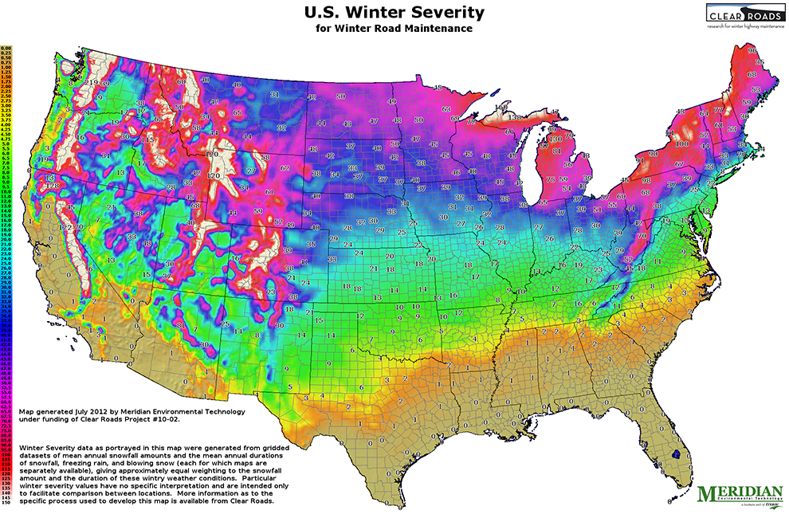
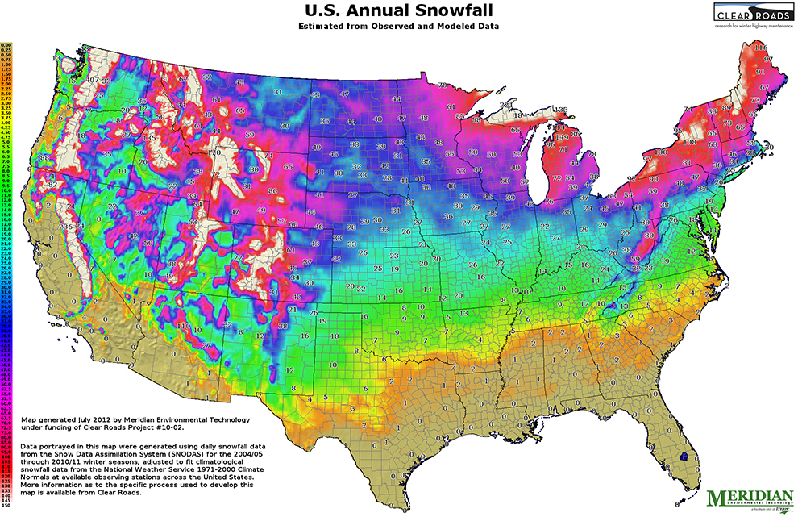
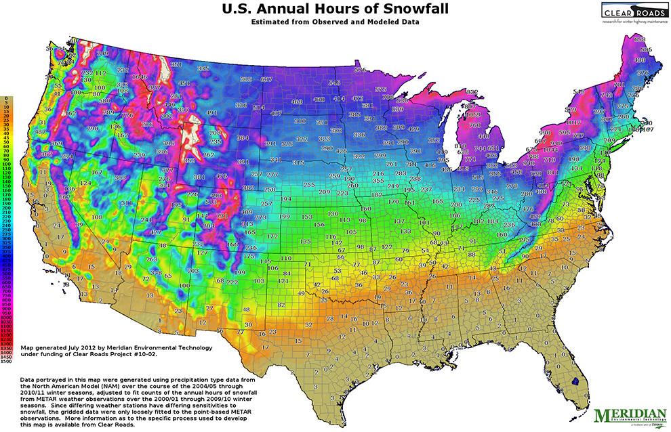
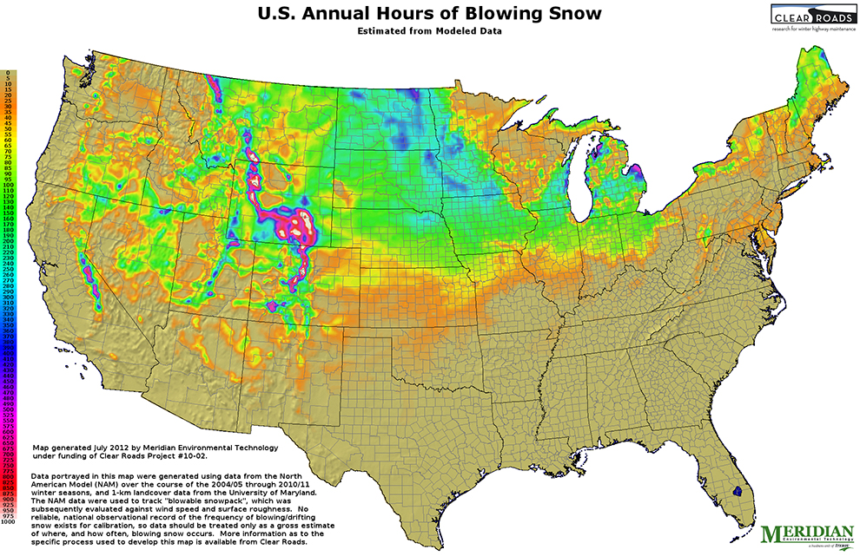
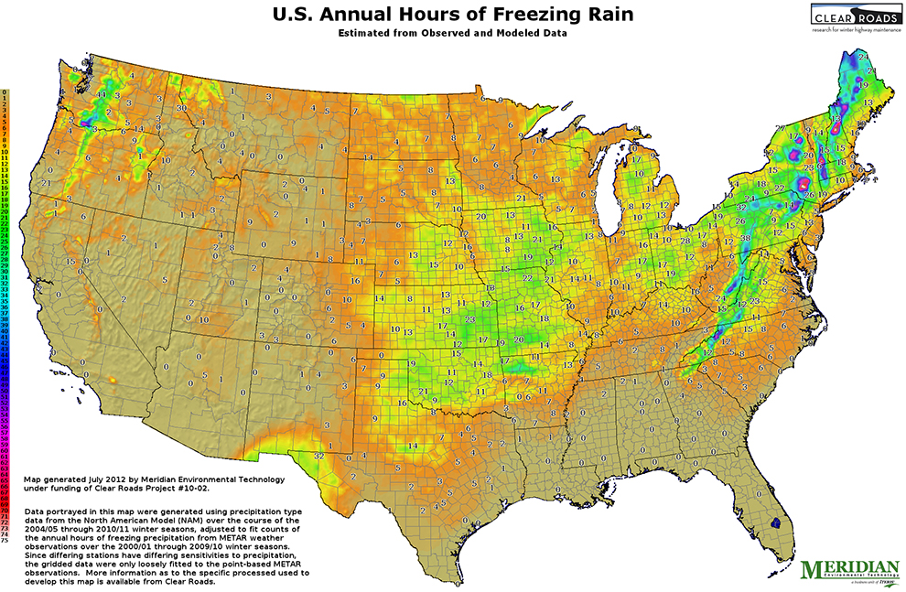
6. For Reference: Winter Weather and Severity, 2000 to 2010

To provide additional context for the data provided by state DOTs in this survey, the following five maps developed through Clear Roads research show average annual winter weather and severity for the decade of 2000 to 2010:
• U.S. Winter Severity Index for Winter Road Maintenance
• U.S. Annual Snowfall (inches)
• U.S. Annual Hours of Snowfall
• U.S. Annual Hours of Freezing Rain
• U.S. Hours of Blowing Snow
For information about the research methodology and for detailed state maps, see Clear Roads Project 10-02 Mapping Weather Severity Zones (clearroads.org/project/mapping-weather-severity-zones) and Clear Roads Project 14-08: Weather Severity Mapping Enhancement (clearroads.org/project/weather-severity-mapping-enhancement).

7. User-Generated Map
Custom Map Title 1
(Title 2)
Enter state data in the right column of the table below to populate the map at left.
Note that data copied from other tabs should be pasted as cell values (rather than as formulas) into this table.

48.00
Map Title 1 | Custom Map Title 1
Map Title 2 | (Title 2)
Alabama | 1.00
Alaska | 2.00
27.00
35.00
46.00
20.00
Arizona | 3.00
38.00
24.00
30.00
Arkansas | 4.00
California | 5.00
13.00
50.00
22.00
Colorado | 6.00
42.00
33.00
Connecticut | 7.00
51.00
23.00
40.00
Delaware | 8.00
District of Columbia | 9.00
16.00
39.00
7.00
Florida | 10.00
29.00
28.00
Georgia | 11.00
45.00
14.00
36.00
31.00
Hawaii | 12.00
15.00
8.00
Idaho | 13.00
5.00
6.00
49.00
Illinois | 14.00
17.00
26.00
18.00
47.00
21.00
Indiana | 15.00
Iowa | 16.00
34.00
9.00
Kansas | 17.00
43.00
Kentucky | 18.00
3.00
37.00
Louisiana | 19.00
32.00
4.00
41.00
Maine | 20.00
11.00
Maryland | 21.00
25.00
1.00
Massachusetts | 22.00
Michigan | 23.00
44.00
Minnesota | 24.00
19.00
Mississippi | 25.00
Missouri | 26.00
10.00
Montana | 27.00
2.00
Nebraska | 28.00
Nevada | 29.00
New Hampshire | 30.00
New Jersey | 31.00
12.00
New Mexico | 32.00
New York | 33.00
North Carolina | 34.00
North Dakota | 35.00
Ohio | 36.00
Oklahoma | 37.00
Oregon | 38.00
Pennsylvania | 39.00
Rhode Island | 40.00
South Carolina | 41.00
South Dakota | 42.00
Tennessee | 43.00
Texas | 44.00
Utah | 45.00
Vermont | 46.00
Virginia | 47.00
Washington | 48.00
West Virginia | 49.00
Wisconsin | 50.00
Wyoming | 51.00

