1. Overview and Interactive Map
Winter 2024-25
COSTS: Average salt price mid-winter (Jan. 1) ($/ton)
Timeframe for Blue Metric
Timeframe for Green Metric

SEVERITY: Statewide average AWSSI
Winter 2024-25

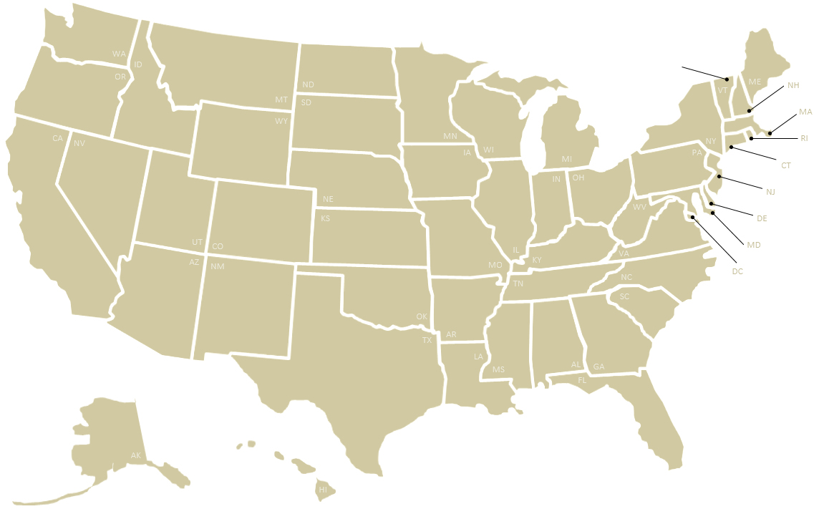
(Please select metrics at right to populate the graph below)
$132.84
-
-
$60.74
$100.60
$64.86
$84.41
$88.45
$135.00
$169.61
$94.27
$85.53
$63.90
$80.40
$81.56
$212.63
-
$113.00
$173.49
-
$196.68
-
$109.17
$48.00
$81.15
$83.89
$92.00
$68.50
$90.00
$120.25
$86.76
-
$160.48
-
$83.32
$63.47
$186.14
-
-
$51.40
-
$98.11
-
$79.72
$87.33
224

880
1,304
959
1,301
1,088
$80.94
963
169
521
792
$73.92
441
790
663
$75.43
871
985
351
$75.53
514
476
468
Blue Metric to Map
Green Metric to Map
309
547
$67.50
311
409
398
197
646
389
153
421
192
422
371
177
222
210
-
92
135
278
127
235
160
134
61
94
72
52
NOTE
See comments on Tab 2. All Survey Data for individual state clarifications:
Resources - column AH
Materials - columns AN, AV and BA
Costs - column BI
73

37

10

2,289
-

OVERVIEW AND SUMMARY OF CONTENTS
This spreadsheet is a deliverable of a multiyear project conducted by the Clear Roads Winter Maintenance Pooled fund. The project aims to systematically gather, compile and analyze a range of data from state DOTs related to their winter operations. This spreadsheet presents the first 11 years of state survey data, covering the winter seasons:
- July 1, 2014 to June 30, 2015
- July 1, 2015 to June 30, 2016
- July 1, 2016 to June 30, 2017
- July 1, 2017 to June 30, 2018
- July 1, 2018 to June 30, 2019
- July 1, 2019 to June 30, 2020
- July 1, 2020 to June 30, 2021
- July 1, 2021 to June 30, 2022
- July 1, 2022 to June 30, 2023
- July 1, 2023 to June 30, 2024
- July 1, 2024 to June 20, 2025
This file may be found online, along with related information about this project, at clearroads.org/winter-maintenance-survey. Following is a summary of what can be found on each of the tabs of this spreadsheet. These tabs may be selected at the bottom of this window.
1. Interactive Map (this tab). On this tab you may graphically display one or two survey metrics on a map of the United States using the interactive boxes at right. This tab is set up to print the map on a single page.
2. Collected Data. This sheet compiles all data as collected from this year's survey as well as all previous-year surveys. 3. Calculated Statistics. This sheet includes additional derived statistics from each year's data set (such as the ratio of full-time workers to part-time workers or the total dry chemicals applied per lane mile). 4. Average Values - Five Year. This sheet presents running averages across the most recent five years of the survey. It only shows a value where data from at least one of five years is available.
5. Changes in Value. This tab presents increases or decreases across the most recent two years of the survey. It only shows a value where data from both years are available.
6. Average AWSSI State & City. This tab includes Accumulated Winter Season Severity Index (AWSSI) data for each municipality from which the the statewide AWSSI averages are derived.
7. User-Generated Map. This tab allows users to display custom data on a U.S. map by pasting it into a table of states. Data copied from other tabs should be pasted as cell values into this table. This tab is set up to print the map on a single page.
...

7. User-Generated Map
Custom Map Title 1
(Title 2)
Enter state data in the right column of the table below to populate the map at left.
Note that data copied from other tabs should be pasted as cell values (rather than as formulas) into this table.

48.00
Map Title 1 | Custom Map Title 1
Map Title 2 | (Title 2)
Alabama | 1.00
Alaska | 2.00
27.00
35.00
46.00
20.00
Arizona | 3.00
38.00
24.00
30.00
Arkansas | 4.00
California | 5.00
13.00
50.00
22.00
Colorado | 6.00
42.00
33.00
Connecticut | 7.00
51.00
23.00
40.00
Delaware | 8.00
District of Columbia | 9.00
16.00
39.00
7.00
Florida | 10.00
29.00
28.00
Georgia | 11.00
45.00
14.00
36.00
31.00
Hawaii | 12.00
15.00
8.00
Idaho | 13.00
5.00
6.00
49.00
Illinois | 14.00
17.00
26.00
18.00
47.00
21.00
Indiana | 15.00
Iowa | 16.00
34.00
9.00
Kansas | 17.00
43.00
Kentucky | 18.00
3.00
37.00
Louisiana | 19.00
32.00
4.00
41.00
Maine | 20.00
11.00
Maryland | 21.00
25.00
1.00
Massachusetts | 22.00
Michigan | 23.00
44.00
Minnesota | 24.00
19.00
Mississippi | 25.00
Missouri | 26.00
10.00
Montana | 27.00
2.00
Nebraska | 28.00
Nevada | 29.00
New Hampshire | 30.00
New Jersey | 31.00
12.00
New Mexico | 32.00
New York | 33.00
North Carolina | 34.00
North Dakota | 35.00
Ohio | 36.00
Oklahoma | 37.00
Oregon | 38.00
Pennsylvania | 39.00
Rhode Island | 40.00
South Carolina | 41.00
South Dakota | 42.00
Tennessee | 43.00
Texas | 44.00
Utah | 45.00
Vermont | 46.00
Virginia | 47.00
Washington | 48.00
West Virginia | 49.00
Wisconsin | 50.00
Wyoming | 51.00

